script
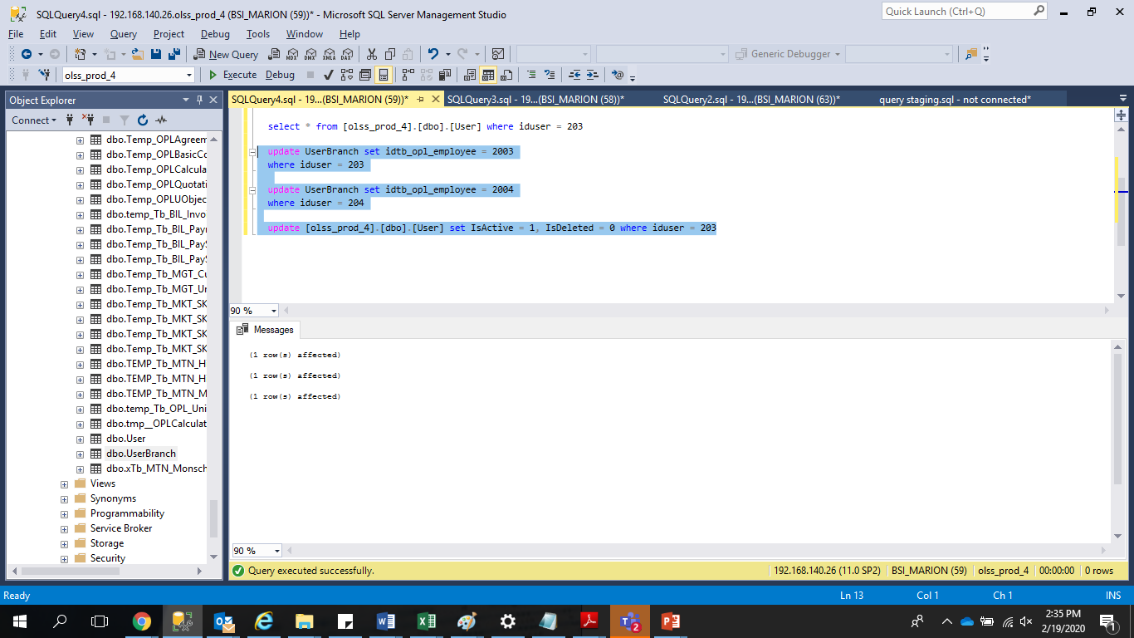

update UserBranch set idtb_opl_employee = 2004
where iduser = 203

update UserBranch set idtb_opl_employee = 2003
where iduser = 204

update [olss_prod_4].[dbo].[User] set IsActive = 1, IsDeleted = 0 where iduser = 203

